x̅ chart mean & stdev known
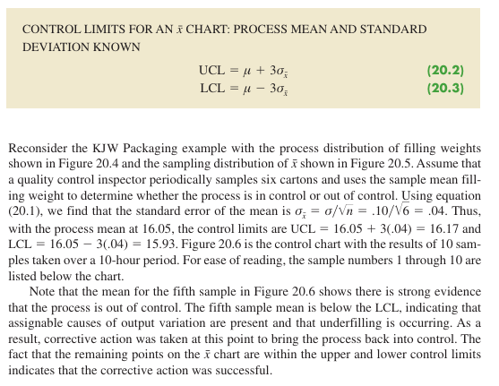
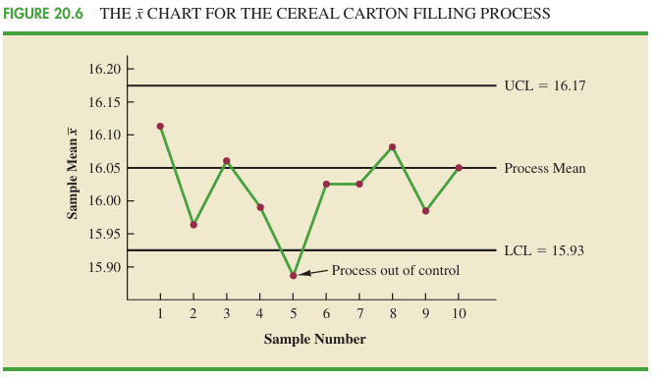
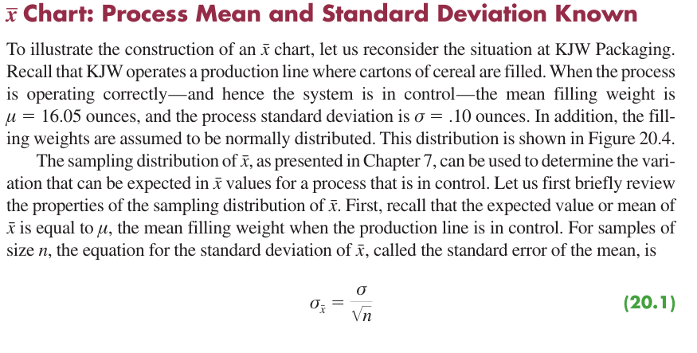
n | 6
process mean | 16.05
stdev | 0.1

standard error of mean | 0.0408

UCL | 16.17
LCL | 15.93

x̅ chart mean & stdev unknown
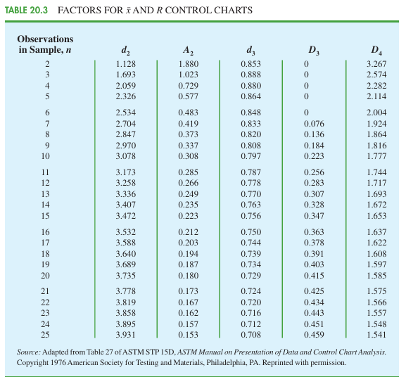
x̅ chart: process mean and stdev unkown
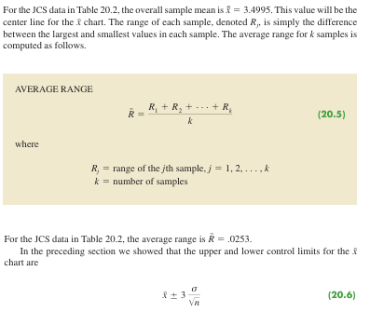
Sample Number |  |  | Observations |  |  | Sample Mean | Sample Range Rj |  |  | UCL | LCL | Overall Mean
1 | 3.5056 | 3.5086 | 3.5144 | 3.5009 | 3.5030 | 3.5065 | 0.0135 | Overall sample mean: | 3.4995 | 3.514 | 3.485 | 3.4995
2 | 3.4882 | 3.5085 | 3.4884 | 3.5250 | 3.5031 | 3.5026 | 0.0368 |  |  | 3.514 | 3.485 | 3.4995
3 | 3.4897 | 3.4898 | 3.4995 | 3.5130 | 3.4969 | 3.4978 | 0.0233 | Average Range R bar: | 0.0253 | 3.514 | 3.485 | 3.4995
4 | 3.5153 | 3.5120 | 3.4989 | 3.4900 | 3.4837 | 3.5000 | 0.0316 |  |  | 3.514 | 3.485 | 3.4995
5 | 3.5059 | 3.5113 | 3.5011 | 3.4773 | 3.4801 | 3.4951 | 0.0340 | A2 | 0.577 | 3.514 | 3.485 | 3.4995
6 | 3.4977 | 3.4961 | 3.5050 | 3.5014 | 3.5060 | 3.5012 | 0.0099 |  |  | 3.514 | 3.485 | 3.4995
7 | 3.4910 | 3.4913 | 3.4976 | 3.4831 | 3.5044 | 3.4935 | 0.0213 | Upper Control Limit | 3.514 | 3.514 | 3.485 | 3.4995
8 | 3.4991 | 3.4853 | 3.4830 | 3.5083 | 3.5094 | 3.4970 | 0.0264 | Lower control limit | 3.485 | 3.514 | 3.485 | 3.4995
9 | 3.5099 | 3.5162 | 3.5228 | 3.4958 | 3.5004 | 3.5090 | 0.0270 |  |  | 3.514 | 3.485 | 3.4995
10 | 3.4880 | 3.5015 | 3.5094 | 3.5102 | 3.5146 | 3.5047 | 0.0266 |  |  | 3.514 | 3.485 | 3.4995
11 | 3.4881 | 3.4887 | 3.5141 | 3.5175 | 3.4863 | 3.4989 | 0.0312 |  |  | 3.514 | 3.485 | 3.4995
12 | 3.5043 | 3.4867 | 3.4946 | 3.5018 | 3.4784 | 3.4932 | 0.0259 |  |  | 3.514 | 3.485 | 3.4995
13 | 3.5043 | 3.4769 | 3.4944 | 3.5014 | 3.4904 | 3.4935 | 0.0274 |  |  | 3.514 | 3.485 | 3.4995
14 | 3.5004 | 3.5030 | 3.5082 | 3.5045 | 3.5234 | 3.5079 | 0.0230 |  |  | 3.514 | 3.485 | 3.4995
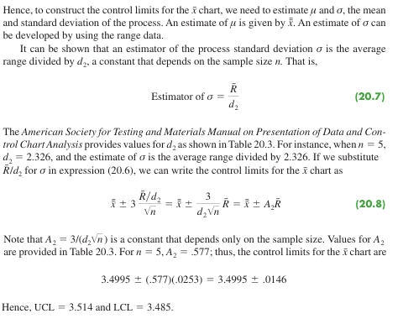
15 | 3.4846 | 3.4938 | 3.5065 | 3.5089 | 3.5011 | 3.4990 | 0.0243 |  |  | 3.514 | 3.485 | 3.4995
16 | 3.5145 | 3.4832 | 3.5188 | 3.4935 | 3.4989 | 3.5018 | 0.0356 |  |  | 3.514 | 3.485 | 3.4995
17 | 3.5004 | 3.5042 | 3.4954 | 3.5020 | 3.4889 | 3.4982 | 0.0153 |  |  | 3.514 | 3.485 | 3.4995
18 | 3.4959 | 3.4823 | 3.4964 | 3.5082 | 3.4871 | 3.4940 | 0.0259 |  |  | 3.514 | 3.485 | 3.4995
19 | 3.4878 | 3.4864 | 3.4960 | 3.5070 | 3.4984 | 3.4951 | 0.0206 |  |  | 3.514 | 3.485 | 3.4995
20 | 3.4969 | 3.5144 | 3.5053 | 3.4985 | 3.4885 | 3.5007 | 0.0259 |  |  | 3.514 | 3.485 | 3.4995

Range Chart
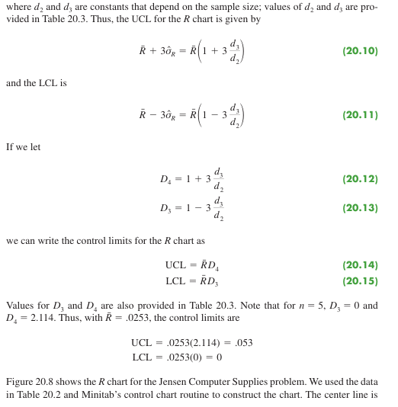
Sample Number |  |  | Observations |  |  | Sample Mean | Sample Range Rj |  |  | UCL | LCL | Range average
1 | 3.5056 | 3.5086 | 3.5144 | 3.5009 | 3.5030 | 3.5065 | 0.0135 | Overall sample mean: | 3.4995 | 0.05343 | 0 | 0.0253
2 | 3.4882 | 3.5085 | 3.4884 | 3.5250 | 3.5031 | 3.5026 | 0.0368 |  |  | 0.05343 | 0 | 0.0253
3 | 3.4897 | 3.4898 | 3.4995 | 3.5130 | 3.4969 | 3.4978 | 0.0233 | Average Range R bar: | 0.0253 | 0.05343 | 0 | 0.0253
4 | 3.5153 | 3.5120 | 3.4989 | 3.4900 | 3.4837 | 3.5000 | 0.0316 | D4 | 2.114 | 0.05343 | 0 | 0.0253
5 | 3.5059 | 3.5113 | 3.5011 | 3.4773 | 3.4801 | 3.4951 | 0.0340 | D3 | 0 | 0.05343 | 0 | 0.0253
6 | 3.4977 | 3.4961 | 3.5050 | 3.5014 | 3.5060 | 3.5012 | 0.0099 |  |  | 0.05343 | 0 | 0.0253
7 | 3.4910 | 3.4913 | 3.4976 | 3.4831 | 3.5044 | 3.4935 | 0.0213 | Range UCL | 0.05343135 | 0.05343 | 0 | 0.0253
8 | 3.4991 | 3.4853 | 3.4830 | 3.5083 | 3.5094 | 3.4970 | 0.0264 | Range LCL | 0 | 0.05343 | 0 | 0.0253
9 | 3.5099 | 3.5162 | 3.5228 | 3.4958 | 3.5004 | 3.5090 | 0.0270 |  |  | 0.05343 | 0 | 0.0253
10 | 3.4880 | 3.5015 | 3.5094 | 3.5102 | 3.5146 | 3.5047 | 0.0266 |  |  | 0.05343 | 0 | 0.0253
11 | 3.4881 | 3.4887 | 3.5141 | 3.5175 | 3.4863 | 3.4989 | 0.0312 |  |  | 0.05343 | 0 | 0.0253
12 | 3.5043 | 3.4867 | 3.4946 | 3.5018 | 3.4784 | 3.4932 | 0.0259 |  |  | 0.05343 | 0 | 0.0253
13 | 3.5043 | 3.4769 | 3.4944 | 3.5014 | 3.4904 | 3.4935 | 0.0274 |  |  | 0.05343 | 0 | 0.0253
14 | 3.5004 | 3.5030 | 3.5082 | 3.5045 | 3.5234 | 3.5079 | 0.0230 |  |  | 0.05343 | 0 | 0.0253
15 | 3.4846 | 3.4938 | 3.5065 | 3.5089 | 3.5011 | 3.4990 | 0.0243 |  |  | 0.05343 | 0 | 0.0253
16 | 3.5145 | 3.4832 | 3.5188 | 3.4935 | 3.4989 | 3.5018 | 0.0356 |  |  | 0.05343 | 0 | 0.0253
17 | 3.5004 | 3.5042 | 3.4954 | 3.5020 | 3.4889 | 3.4982 | 0.0153 |  |  | 0.05343 | 0 | 0.0253
18 | 3.4959 | 3.4823 | 3.4964 | 3.5082 | 3.4871 | 3.4940 | 0.0259 |  |  | 0.05343 | 0 | 0.0253
19 | 3.4878 | 3.4864 | 3.4960 | 3.5070 | 3.4984 | 3.4951 | 0.0206 |  |  | 0.05343 | 0 | 0.0253
20 | 3.4969 | 3.5144 | 3.5053 | 3.4985 | 3.4885 | 3.5007 | 0.0259 |  |  | 0.05343 | 0 | 0.0253

Proportion Chart
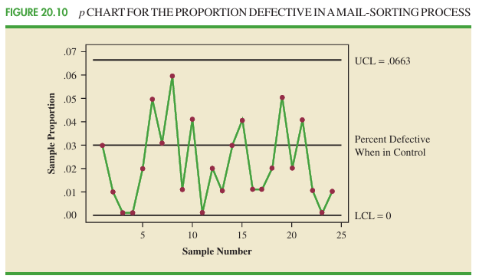
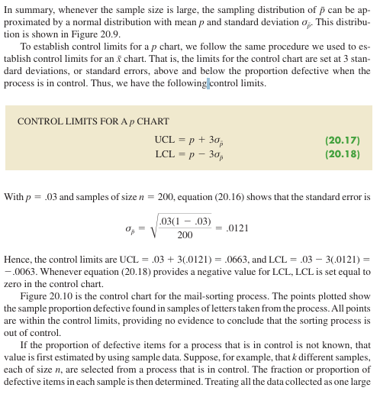
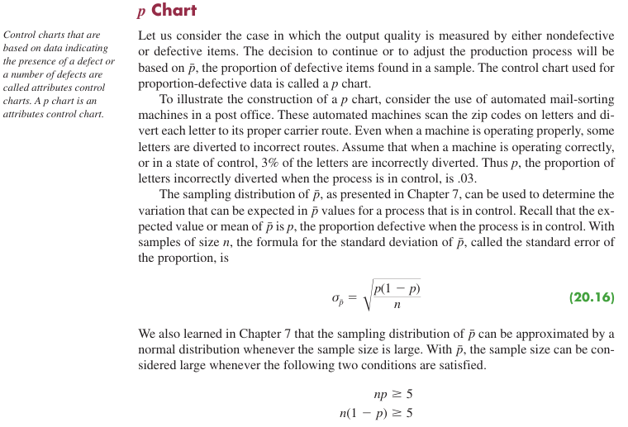
p | 0.03
n | 200

standard error of p | 0.0121

UCL | 0.0663
LCL | -0.0063

np chart
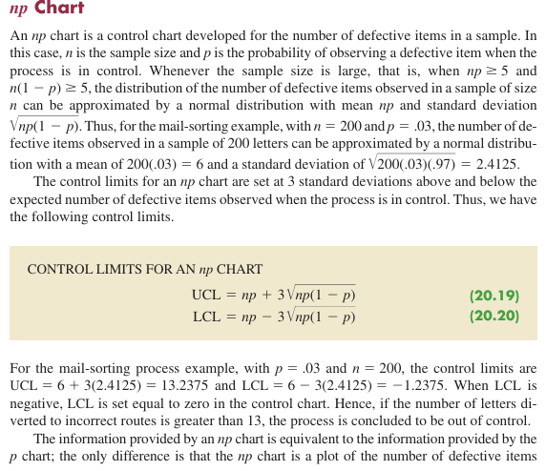
p | 0.03
n | 200

mean | 6
standard deviation | 2.4125

UCL | 13.2374
LCL | -1.2374

20.3 acceptance sampling
Computing Probability of Accepting Lot
Operating Charecteristics Curve
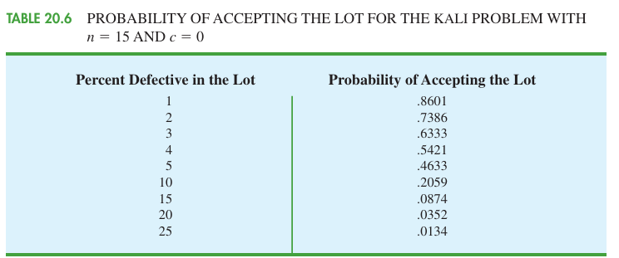

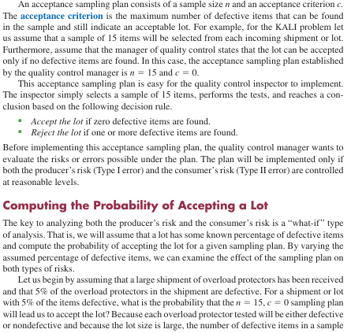

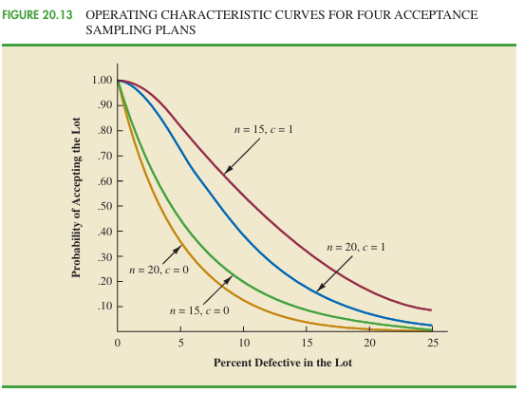

 | n | 15
 | p | 0.05
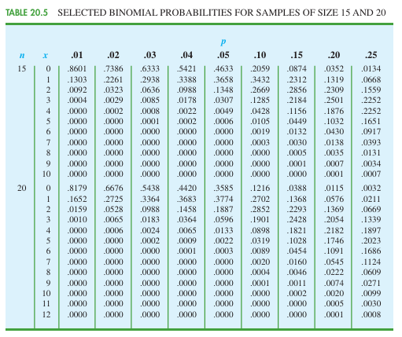
x (defective items) | f(x) | Probability of accepting lot at c=x | prob of rejecting lot
0 | 0.4633 | 0.4633 | 0.5367
1 | 0.3658 | 0.8290 | 0.1710
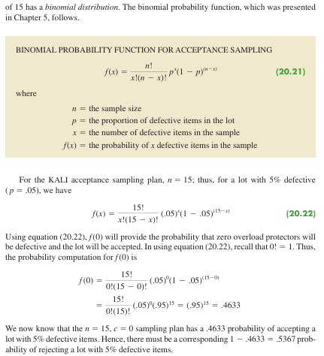
2 | 0.1348 | 0.9638 | 0.0362
3 | 0.0307 | 0.5312 | 0.4688
5 | 0.0006 | 0.1660 | 0.8340

I believe x cannot be greater than c or else you would not accept the lot.
Therefore the probablilties of accepting lots are just at when c=x or c>x?

